Green Checklist
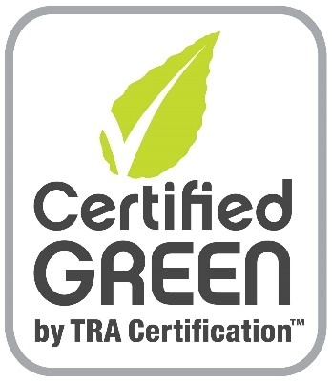

 |  |  | v2020
Checklist
 |  |  |  |  |  |  |  | Emergency Vehicles

Resource Efficiency |  |  |  |  |  |  |  | Energy Efficiency
Points Available |  |  |  |  |  |  | Points Claimed | Points Available |  | Hydroscopic Insulation |  |  |  | Points Claimed
MANDATORY: |  | Emergency Vehicles must be "Star of Life" Certified |  |  |  |  |  |  |  | Type | R-value
10 | Construction waste materials recycled offsite. (1 pt ea, max 10) |  |  |  |  |  |  | 20 | Walls |  |  |  |  | 0
 | list: |  |  |  |  |  |  |  | Floor
5 | CNC Machines maximize material cuts (1 pt each, max 5) |  |  |  |  |  |  |  | Ceiling
 | list: |  |  |  |  |  |  | 5 | LED lighting (>90% interior & exterior)
5 | Jigs are minimize waste (1 pt each, max 5 pts)
 | list: |  |  |  |  |  |  | 2 | Reflective barrier applied
5 | Material scraps reused. (1 pt each, max 5 points)
 | list: |  |  |  |  |  |  | 3 | Soap pressurization or rain booth test to check for leaks
5 | Reusable shipping containers for major items (1 pt each, max 5)
 | list: |  |  |  |  |  |  | 15 | Solar Panels (pre-wired - 10 pts, installed - 15 pts)
5 | Major materials are cut to size by supplier - (1 pt each, max 5)
 | list: |  |  |  |  |  |  | 2 | Nitrogen-filled tires
10 | Materials with recycled content are used. (2 pt each, max 10)
 | list: |  |  |  |  |  |  | 10 | ZeroRPM technology |  |  | *
2 | Rain drainage system installed
 |  |  |  |  |  |  |  |  | Additional:
10 | Regional materials are used for major components(500 miles)
 | (2 points each, max 10 pts):
3 | Component manufacturer is ISO 9001/14001 or equivalent.
 | (1 point each, max 3 pts):
3 | Component is UL Listed or equivalent (1 pt ea., max 3)
 | (product and listing):
3 | Certified wood (1 point per product type, max 3)
 | (wood product and certification):
5 | Wood is from plantation grown forests

 | Additional:

71 | Points Available |  | Resource Efficiency Total: |  |  | 0 | 0% | 57 | Points Available |  | Energy Efficiency Total: |  | 0 | 0%

Indoor Air Quality

Green Performance
 | Green Performance
Resources | 0%
Energy | 0%
Indoor Air | 0%
MANDATORY: |  | All wood materials are CARB 2 compliant

10 | Low VOC materials are used (2 pts each) |  |  |  |  |  | 0
 |  | caulks/sealants |  | List:
 |  | cabinets |  | List:
 |  | cabinet windows |  | List:
 |  | seating |  | List:
 |  | floor covering |  | List:
 |  | walls/ceiling |  | List:
 |  | insulation |  | List:
 |  | other |  | List:

5 | HEPA filter on HVAC |  |  | *

20 | Non-emitting materials (walls-10 pts, floor/ceiling-5 pts) |  |  |  |  |  | 0
 |  | caulks/sealants |  | List:
 |  | cabinets |  | List:
 |  | cabinet windows |  | List:
 |  | seating |  | List:
 |  | floor covering |  | List:
 |  | walls/ceiling |  | List: |  |  |  | Units must achieve a minimum percentage of points in each category to achieve certification. (30% - Silver, 40% - Gold, 50% - Emerald)
 |  | insulation |  | List:
 |  | other |  | List:
9 | Ventilation meets or exceeds min EV standards (3/6 pts) |  |  |  |  |  |  | "*" indicates feature is optional

 | Additional:

44 | Points Available |  |  |  | Indoor Air Total: | 0 | 0%

 | Green Performance
Resources | 0%
Energy | 0%
Indoor Air | 0%

